lung_m19
Lung Cancer (C33-C34): 2017-2019

Average Number of Deaths Per Year and Age-Specific Mortality Rates per 100,000 Persons Population, UK

Age Range | Female Deaths | Male Deaths | Female Rates | Male Rates | All Genders | Column1
0 to 04 | 1 | 0 | 0.0 | 0.0 | 1
05 to 09 | 0 | 0 | 0.0 | 0.0 | 0
10 to 14 | 0 | 0 | 0.0 | 0.0 | 0
15 to 19 | 0 | 0 | 0.0 | 0.0 | 0
20 to 24 | 1 | 2 | 0.0 | 0.1 | 3
25 to 29 | 2 | 2 | 0.1 | 0.1 | 4
30 to 34 | 8 | 7 | 0.4 | 0.3 | 15
35 to 39 | 22 | 29 | 1.0 | 1.3 | 51
40 to 44 | 60 | 72 | 3.0 | 3.6 | 132
45 to 49 | 191 | 212 | 8.4 | 9.6 | 403
50 to 54 | 406 | 503 | 17.1 | 21.9 | 909
55 to 59 | 815 | 940 | 37.4 | 44.5 | 1,755
60 to 64 | 1,388 | 1,588 | 74.1 | 88.2 | 2,976
65 to 69 | 2,121 | 2,597 | 120.5 | 157.2 | 4,718
70 to 74 | 2,959 | 3,518 | 175.8 | 227.9 | 6,477
75 to 79 | 2,866 | 3,476 | 236.9 | 335.4 | 6,342
80 to 84 | 2,462 | 2,913 | 261.1 | 398.0 | 5,375
85 to 89 | 1,770 | 1,856 | 283.7 | 460.9 | 3,626
90+ | 1,068 | 914 | 263.9 | 493.9 | 1,982
All Ages | 16,140 | 18,631 | 47.3 | 66.0 | 34,771

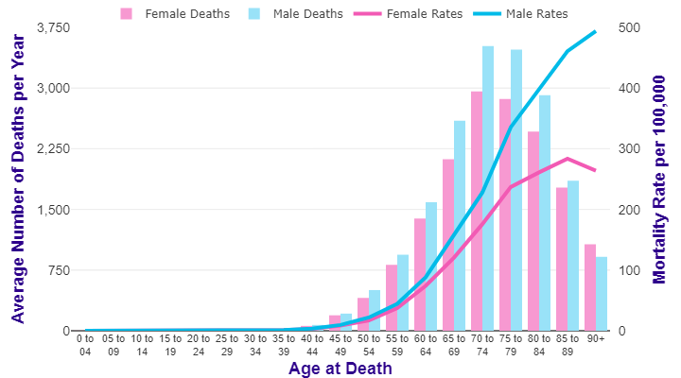

Source: cruk.org/cancerstats

You are welcome to reuse this Cancer Research UK statistics content for your own work.
Credit us as authors by referencing Cancer Research UK as the source.
Suggested style: Cancer Research UK, full URL of the page, Accessed [month] [year].

